Moving Average
3-MA Forecast
 | Demand | 3-MA Forecast
1 | 37
2 | 60
3 | 85
4 | 112 | 61
5 | 132 | 86
6 | 145 | 110
7 | 179 | 130
8 | 198 | 152
9 | 150 | 174
10 | 132 | 176
11 |  | 160
12 |  | 160
13 |  | 160
Period | Demand | 3-MA Forecast | Error | |Error| | Error % | Error^2 |  | Absolute | Relative
1 | 37 |  |  |  |  |  | Bias | -23 | -15%
2 | 60 |  |  |  |  |  | MAPE |  | 29%
3 | 85 |  |  |  |  |  | MAE | 42 | 28%
4 | 112 | 61 | -51 | 51 | 46% | 2635 | RSME | 43 | 29%
5 | 132 | 86 | -46 | 46 | 35% | 2147 | MSE | 1866
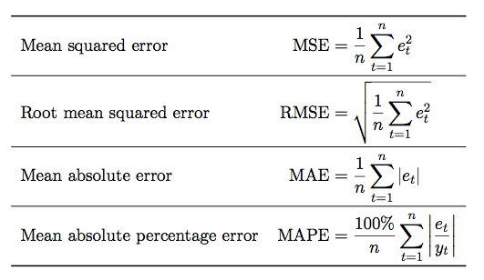
6 | 145 | 110 | -35 | 35 | 24% | 1248
7 | 179 | 130 | -49 | 49 | 28% | 2434
8 | 198 | 152 | -46 | 46 | 23% | 2116
9 | 150 | 174 | 24 | 24 | 16% | 576
10 | 132 | 176 | 44 | 44 | 33% | 1907
11 |  | 160
12 |  | 160
13 |  | 160

Weighted Moving Average
 | Demand | 3-WMA Forecast
1 | 37
2 | 60
3 | 85
4 | 112 | 94
5 | 132 | 124
6 | 145 | 146
7 | 179 | 160
8 | 198 | 198
9 | 150 | 219
10 | 132 | 166
11 |  | 146
12 |  | 146
13 |  | 146
Period | Demand | 3-WMA Forecast | Error | |Error| | Error % | Error^2 |  | Weights
1 | 37 |  |  |  |  |  | W1 | 0
2 | 60 |  |  |  |  |  | W2 | 0
3 | 85 |  |  |  |  |  | W3 | 1.1061446229
4 | 112 | 94 | -18 | 18 | 16% | 323 | SUM | 1.0
5 | 132 | 124 | -8 | 8 | 6% | 66
6 | 145 | 146 | 1 | 1 | 1% | 1 | MAE | 21
7 | 179 | 160 | -19 | 19 | 10% | 346
8 | 198 | 198 | 0 | 0 | 0% | 0
9 | 150 | 219 | 69 | 69 | 46% | 4763
10 | 132 | 166 | 34 | 34 | 26% | 1151
11 |  | 146
12 |  | 146
13 |  | 146

Simple Exponential Smoothing
 | Demand | Simple Exponential Smoothing Forecast
1 | 37 | 37
2 | 60 | 37
3 | 85 | 53
4 | 112 | 75
5 | 132 | 101
6 | 145 | 123
7 | 179 | 138
8 | 198 | 167
9 | 150 | 189
10 | 132 | 162
11 |  | 162
12 |  | 162
13 |  | 162
Period | Demand | Simple Exponential Smoothing Forecast | Error | |Error| | Error % | Error^2 | SES FROM EXCEL | Alpha | 70%
1 | 37 | 37
2 | 60 | 37 | -23 | 23 | 38% | 529 | 37
3 | 85 | 53 | -32 | 32 | 38% | 1018 | 53 | MAE | 31.7
4 | 112 | 75 | -37 | 37 | 33% | 1337 | 75
5 | 132 | 101 | -31 | 31 | 23% | 959 | 101
6 | 145 | 123 | -22 | 22 | 15% | 497 | 123
7 | 179 | 138 | -41 | 41 | 23% | 1655 | 138
8 | 198 | 167 | -31 | 31 | 16% | 974 | 167
9 | 150 | 189 | 39 | 39 | 26% | 1493 | 189
10 | 132 | 162 | 30 | 30 | 22% | 876 | 162
11 |  | 162
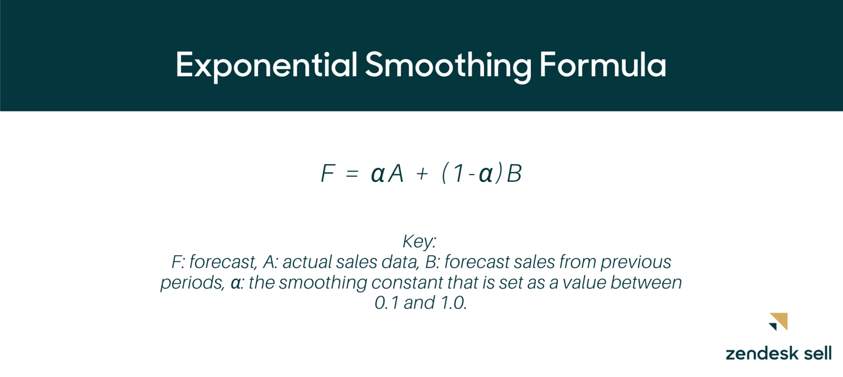
12 |  | 162
Exponential Smoothing
 | Actual | Forecast
 | 37
 | 60 | 37
 | 85 | 53
 | 112 | 75
 | 132 | 101
 | 145 | 123
 | 179 | 138
 | 198 | 167
 | 150 | 189
 | 132 | 162
13 |  | 162

Double Exponential Smoothing
 | Demand | Double Exponential Smoothing Forecast
1 | 37
2 | 60 | 60
3 | 85 | 83
4 | 112 | 107
5 | 132 | 132
6 | 145 | 156
7 | 179 | 175
8 | 198 | 199
9 | 150 | 222
10 | 132 | 214
11 |  | 194
12 |  | 198
13 |  | 203
Period | Demand | Double Exponential Smoothing Forecast | Level(a) | Trend(b) | Error | |Error| | Error^2 | Alpha: | 30%
1 | 37 |  | 37 | 23 |  |  |  | Beta: | 40%
2 | 60 | 60 | 60 | 23 |  |  |  | RMSE: | 38.9
3 | 85 | 83 | 84 | 23 | -2 | 2 | 4 | MAE: | 22.2
4 | 112 | 107 | 108 | 24 | -5 | 5 | 27
5 | 132 | 132 | 132 | 24 | 0 | 0 | 0
6 | 145 | 156 | 153 | 23 | 11 | 11 | 121
7 | 179 | 175 | 176 | 23 | -4 | 4 | 14
8 | 198 | 199 | 199 | 23 | 1 | 1 | 2
9 | 150 | 222 | 200 | 14 | 72 | 72 | 5144
10 | 132 | 214 | 190 | 4 | 82 | 82 | 6791
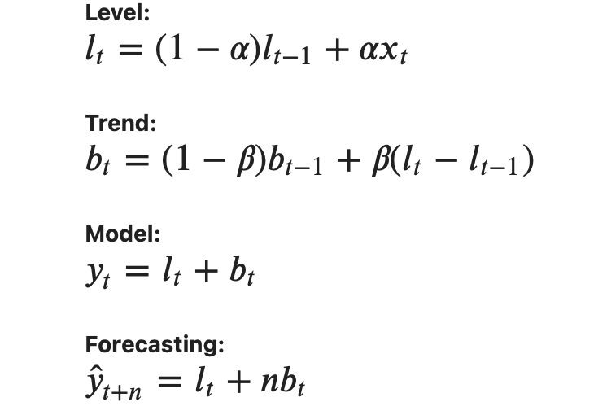
11 |  | 194
12 |  | 198
13 |  | 203

Damped DES
 | Demand | Double Exponential Smoothing Forecast
1 | 37
2 | 60 | 55
3 | 85 | 72
4 | 112 | 89
5 | 132 | 109
6 | 145 | 128
7 | 179 | 145
8 | 198 | 168
9 | 150 | 190
10 | 132 | 184
11 |  | 169
12 |  | 169
13 |  | 169
Period | Demand | Double Exponential Smoothing Forecast | Level(a) | Trend(b) | Error | |Error| | Error^2 | Alpha: | 30%
1 | 37 |  | 37 | 23 |  |  |  | Beta: | 40%
2 | 60 | 55 | 57 | 19 |  |  |  | Phi: | 80%
3 | 85 | 72 | 76 | 17 | -13 | 13 | 171 | RMSE: | 31.4
4 | 112 | 89 | 96 | 16 | -23 | 23 | 518 | MAE: | 29.0
5 | 132 | 109 | 116 | 16 | -23 | 23 | 531
6 | 145 | 128 | 133 | 15 | -17 | 17 | 276
7 | 179 | 145 | 155 | 16 | -34 | 34 | 1157
8 | 198 | 168 | 177 | 16 | -30 | 30 | 915
9 | 150 | 190 | 178 | 8 | 40 | 40 | 1582
10 | 132 | 184 | 169 | 0 | 52 | 52 | 2744
11 |  | 169
12 |  | 169
13 |  | 169

Triple Exponential Smooting
 | Demand | Triple Exponential Smoothing Forecast
1990 | 362
1990 | 385
1990 | 432
1990 | 341
1991 | 382
1991 | 409 | 428
1991 | 498 | 502
1991 | 387 | 414
1992 | 473 | 457
1992 | 513 | 501
1992 | 582 | 594
1992 | 474 | 477
1993 | 544 | 543
1993 | 582 | 588
1993 | 681 | 681
1993 | 557 | 547
1994 | 628 | 623
1994 | 707 | 670
1994 | 773 | 779
1994 | 592 | 627
1995 | 627 | 705
1995 | 725 | 759
1995 | 854 | 854
1995 | 661 | 674
1996 |  | 742
1996 |  | 822
1996 |  | 940
1996 |  | 735
1997 |  | 814
1997 |  | 900
1997 |  | 1026
1997 |  | 801
Period | Year | Quarter | Demand | Level | Trend | Seasonal | Triple Exponential Smoothing Forecast | Error | |Error| | Alpha: | 8%
1 | 1990 | 1 | 362 |  |  | 95% |  |  |  | Beta: | 13%
2 | 1990 | 2 | 385 |  |  | 101% |  |  |  | Gamma: | 36%
3 | 1990 | 3 | 432 |  |  | 114% |  |  |  | MAE: | 16.7
4 | 1990 | 4 | 341 |  |  | 90%
5 | 1991 | 1 | 382 | 401 | 21 | 95%
6 | 1991 | 2 | 409 | 421 | 21 | 100% | 428 | 19 | 19
7 | 1991 | 3 | 498 | 441 | 21 | 113% | 502 | 4 | 4
8 | 1991 | 4 | 387 | 460 | 20 | 88% | 414 | 27 | 27
9 | 1992 | 1 | 473 | 481 | 21 | 96% | 457 | -16 | 16
10 | 1992 | 2 | 513 | 503 | 21 | 101% | 501 | -12 | 12
11 | 1992 | 3 | 582 | 523 | 21 | 113% | 594 | 12 | 12 | Initilization:
12 | 1992 | 4 | 474 | 543 | 21 | 88% | 477 | 3 | 3 | level1 = current demand/seasonal 1
13 | 1993 | 1 | 544 | 564 | 21 | 96% | 543 | -1 | 1 | Trend 1 = current level 1- previous demand/previous seasonal
14 | 1993 | 2 | 582 | 584 | 21 | 100% | 588 | 6 | 6
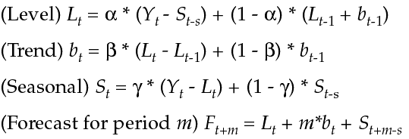
15 | 1993 | 3 | 681 | 605 | 21 | 113% | 681 | 0 | 0
16 | 1993 | 4 | 557 | 626 | 21 | 88% | 547 | -10 | 10
17 | 1994 | 1 | 628 | 647 | 21 | 97% | 623 | -5 | 5
18 | 1994 | 2 | 707 | 671 | 21 | 102% | 670 | -37 | 37
19 | 1994 | 3 | 773 | 691 | 21 | 112% | 779 | 6 | 6
20 | 1994 | 4 | 592 | 709 | 21 | 86% | 627 | 35 | 35
21 | 1995 | 1 | 627 | 724 | 20 | 93% | 705 | 78 | 78
22 | 1995 | 2 | 725 | 741 | 19 | 101% | 759 | 34 | 34
23 | 1995 | 3 | 854 | 760 | 19 | 112% | 854 | 0 | 0
24 | 1995 | 4 | 661 | 778 | 19 | 86% | 674 | 13 | 13
25 | 1996 | 1 |  | 798 | 19 | 93% | 742
26 | 1996 | 2 |  | 817 | 19 | 101% | 822
27 | 1996 | 3 |  | 836 | 19 | 112% | 940
28 | 1996 | 4 |  | 856 | 19 | 86% | 735
29 | 1997 | 1 |  | 875 | 19 | 93% | 814
30 | 1997 | 2 |  | 894 | 19 | 101% | 900
31 | 1997 | 3 |  | 913 | 19 | 112% | 1026
32 | 1997 | 4 |  | 933 | 19 | 86% | 801

